Bug Report
Bug ID | Priority | Description/Bug Summary | Pre-requisites | Bug steps | Expected Result | Actual Result | Status | Test Executed By | Browser/Device | Screenshot/Video recording

TN_001 | Blocker | It dont show error when i enter invalid email i'd | Open the browser | Click on My account | User should unable to logged in application | User get logged in the application | Fail | Ritick | Browser: chrome
 |  |  | Enter the URL: https://tutorialsninja.com/demo/ | Click on Login button |  |  |  |  | OS:- Windows 11
 |  |  |  | Click on 'forgot password' option
 |  |  |  | Enter invalid email i'd
 |  |  |  | Click on 'Continue' button

TN_002 | Major | It dont give any type of email or reset password after | Open the browser | Click on My account | User should get the reset password or link on | User should not get the reset password or link on | Fail | Ritick | Browser: chrome
 |  | clicking on reset the password. | Enter the URL | Click on Login button | their registered email i'd. | their registered email i'd. |  |  | OS:- Windows 11
 |  |  |  | Click on 'forgot password' option
 |  |  |  | Enter email address
 |  |  |  | Click on continue button.

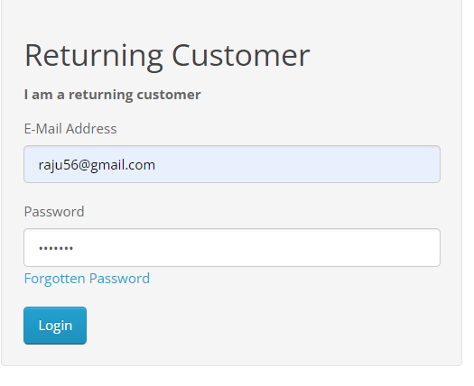
TN_003 | Major | It get logged in with any invalid password | Open the browser | Click on My account | User should not get logged in with invalid password | User get logged in the application with invalid password | Fail | Ritick | Browser: chrome
 |  |  | Enter the URL | Click on Register button |  |  |  |  | OS:- Windows 11
 |  |  |  | Click on 'forgot password' option
 |  |  |  | Enter email address
 |  |  |  | Click on continue button.
 |  |  |  | Enter email address in email
 |  |  |  | Enter invalid password
 |  |  |  | Click on 'Login' button

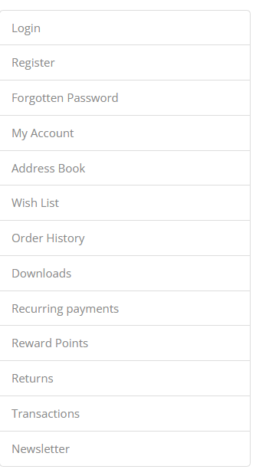
TN_004 | Minor | The table of all links are given in forgot password | Open the browser | Click on My account | The table outer border is enough to visible. | The table outer border is not enough to visible. | Fail | Ritick | Browser: chrome
 |  | page is not more highlighted or, table outer line is | Enter the URL | Click on Register button |  |  |  |  | OS:- Windows 11
 |  | not enough to visible. |  | Click on 'forgot password' option

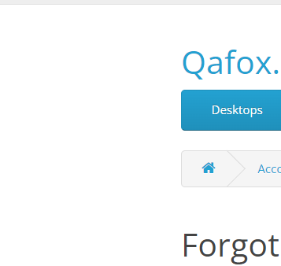
TN_005 | Minor | There is more space on both side of text area and | Open the browser | Open the browser | User should get the comfortable interface on | All the content is gatherted at a place. | Fail | Ritick | Browser: chrome
 |  | all the function or link gathered at middle area. | Enter the URL | Enter the URl | the given application |  |  |  | OS:- Windows 11
 |  |  |  | Click on My account
 |  |  |  | Click on Register button
 |  |  |  | Click on'forgot password' option

